Script
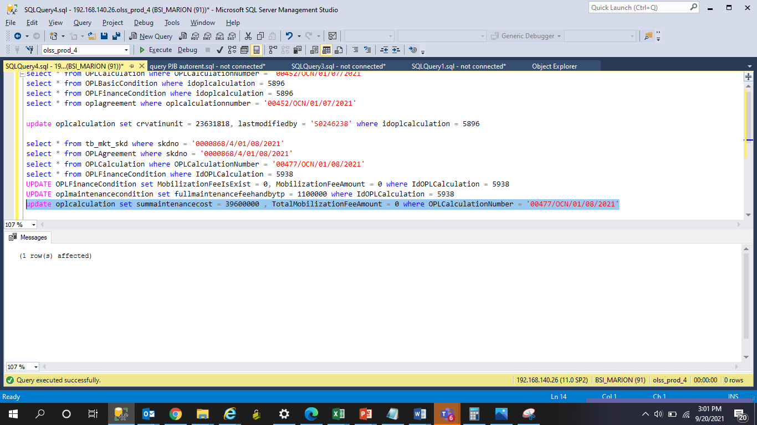
UPDATE OPLFinanceCondition set MobilizationFeeIsExist = 0, MobilizationFeeAmount = 0 where IdOPLCalculation = 5938
UPDATE oplmaintenancecondition set fullmaintenancefeehandbytp = 1100000 where IdOPLCalculation = 5938
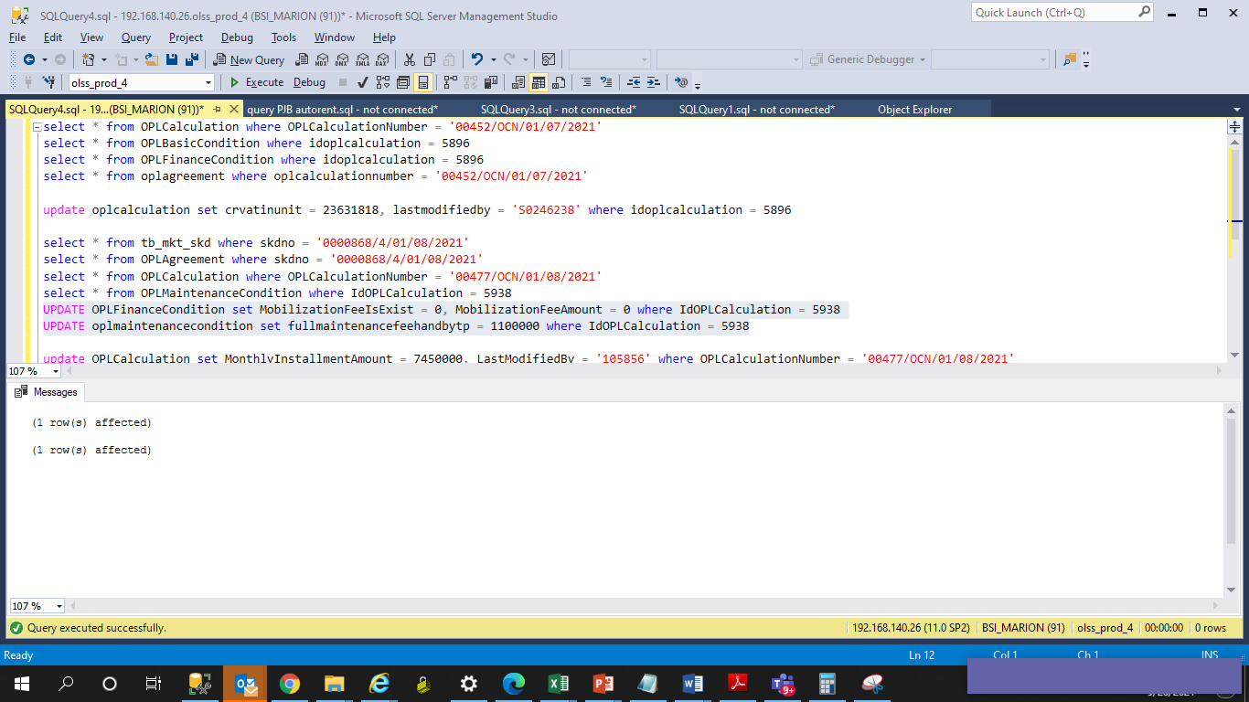

update oplcalculation set summaintenancecost = 39600000 , TotalMobilizationFeeAmount = 0 where OPLCalculationNumber = '00477/OCN/01/08/2021'

Screenshot
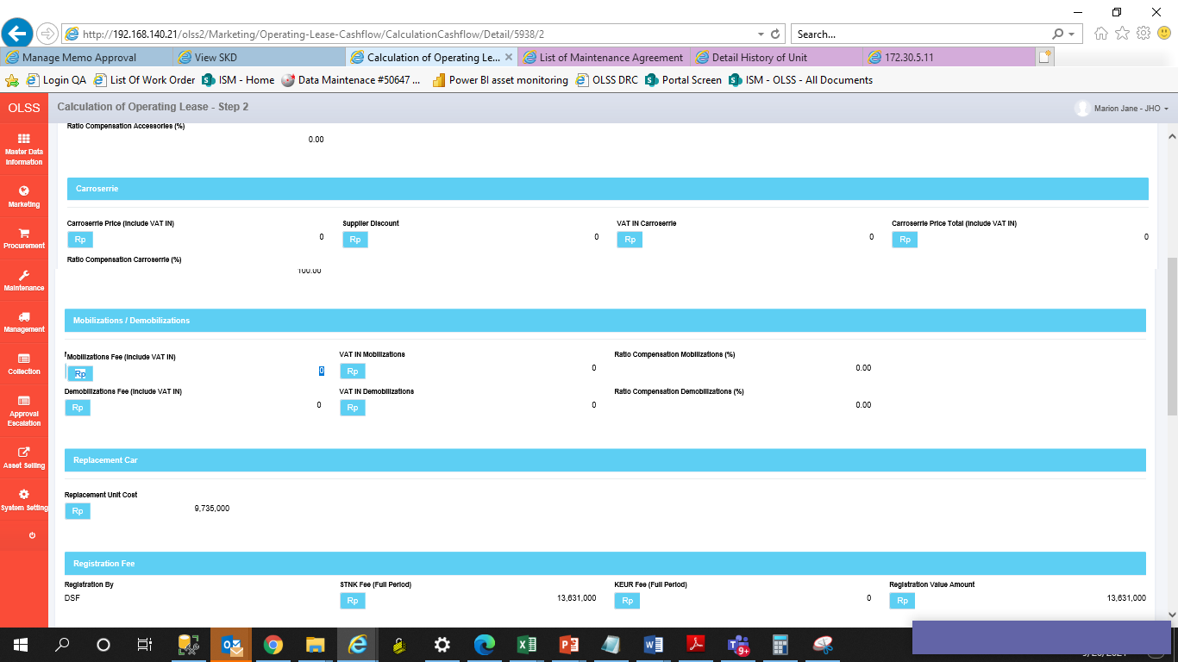
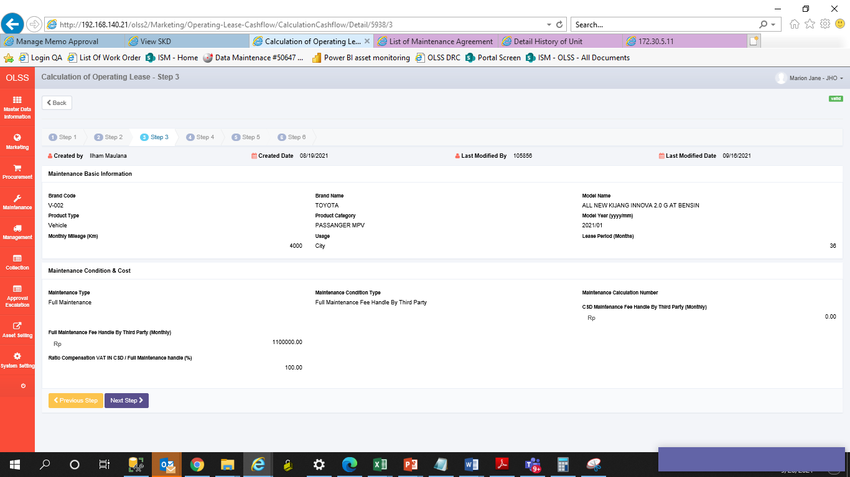
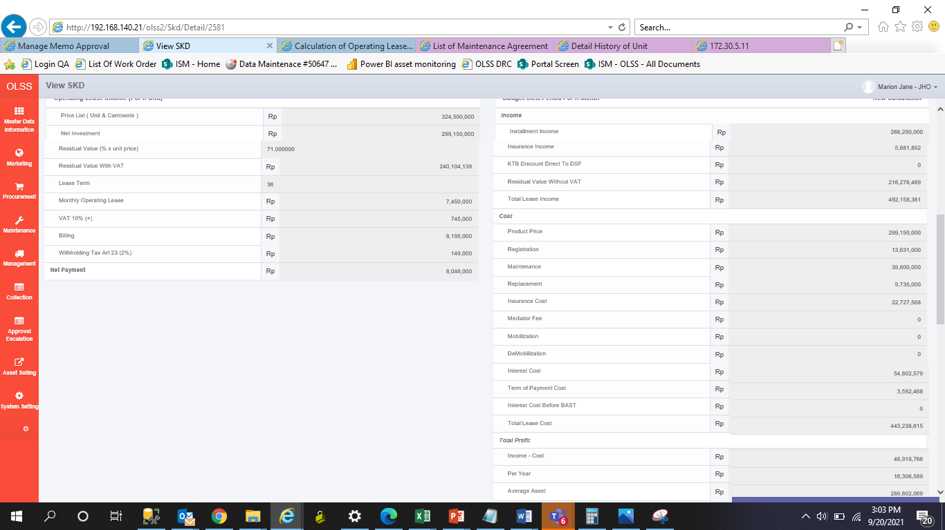
BEFORE
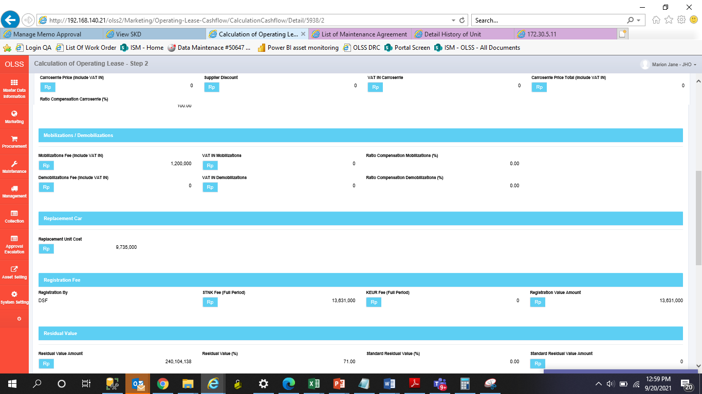
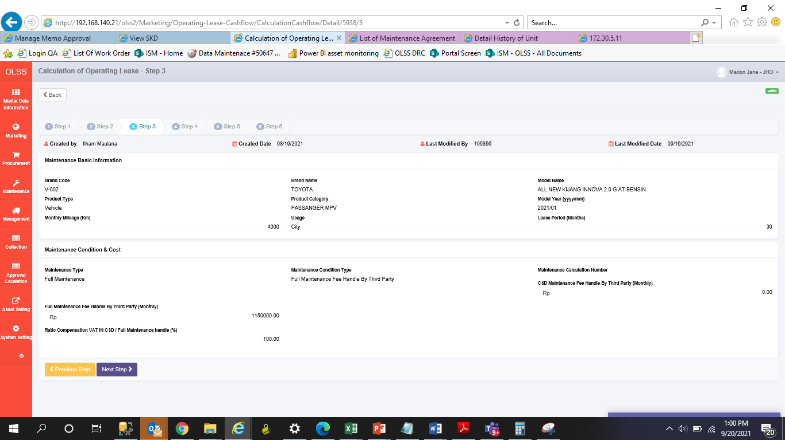
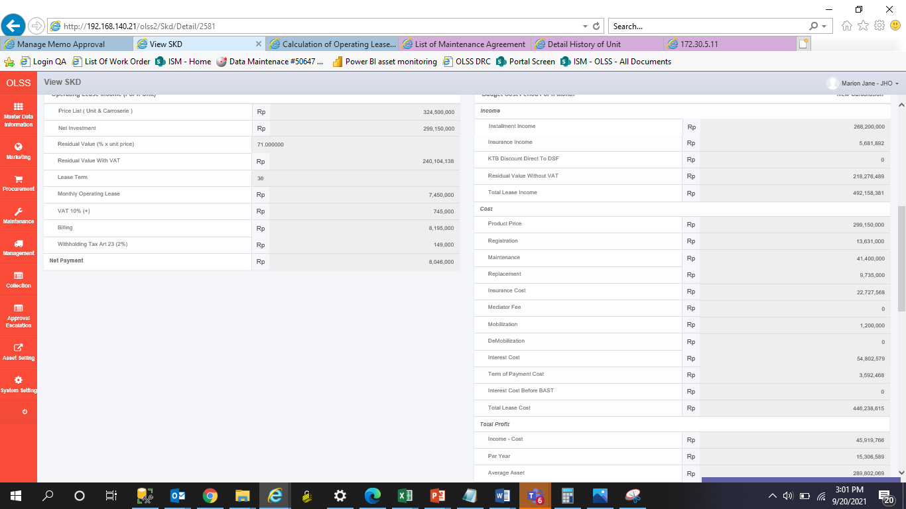

AFTER

AFTER

